Paperwork Envelope
 |  |  | 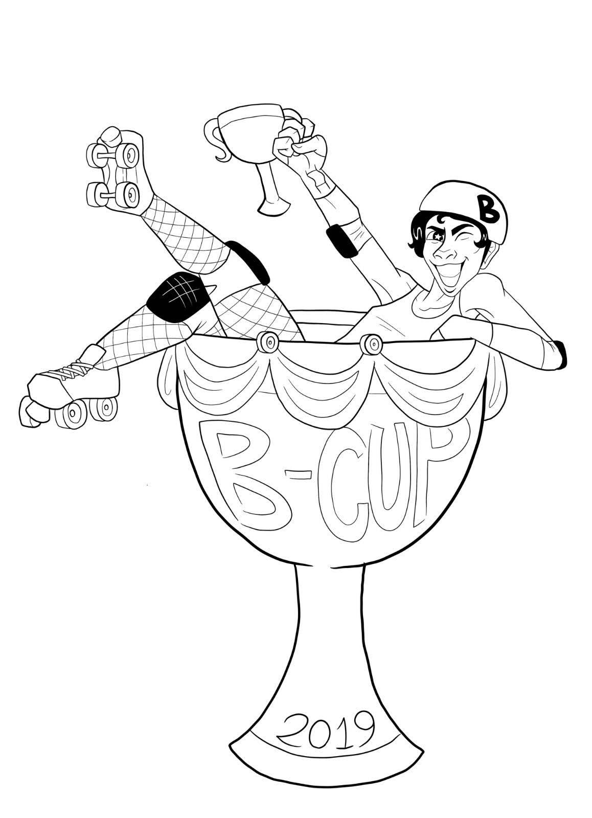
 | Game 2 Saturday @ 09:45 AM

 |  |  | Head NSO: Bethly Hallows
 |  |  | Head Ref: Chunk Rock Girl
 |  | Cornfed Derby Dames / Muncie MissFits |  | Nashville Rollergirls / Music City Brawl Stars

 |  | Score | Penalties | Score | Penalties
 | Period 1
 | Period 2
 | Total

 | Jersey Color | black |  | blue
 | Helmet Cover
 | Captain
 | Designated Alt
 | # of Bench Staff
 | Starting Bench | Jammer Line | Pivot Line | Jammer Line | Pivot Line
 | Roster Notes

□ | Final game rosters submitted:
 | □ | Cornfed Derby Dames / Muncie MissFits
 | □ | Nashville Rollergirls / Music City Brawl Stars
□ | Paperwork returned
 | Y / N | Expulsion
 | Y / N | Official Score Adjustment
□ | StatsBook Data Entered
□ | StatsBook Submitted

